All Day
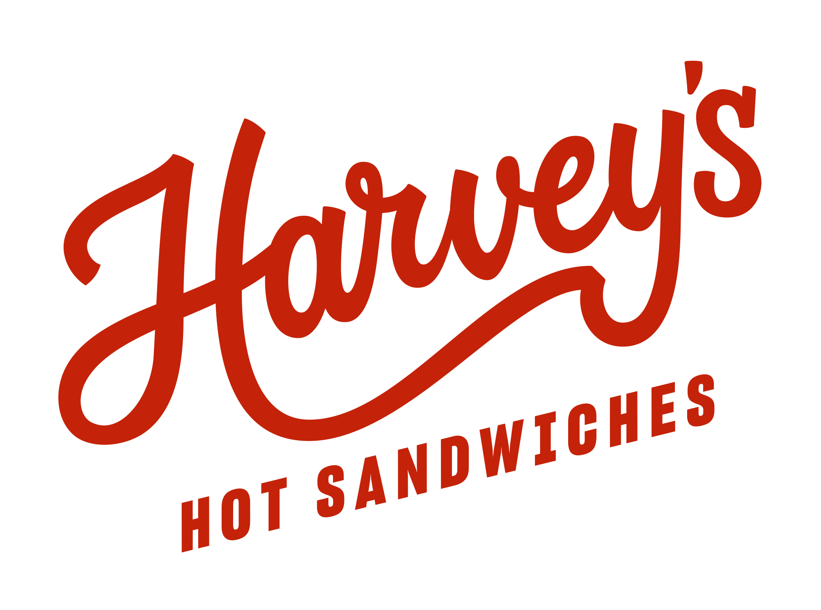

HARVEYS CATERING SHEET

Client Name: |  |  | Collection Date:
Company Contact: |  |  | Collection Day:
Client Email: |  |  | Collection Time:
Client Phone: |  |  | Purchase Order No:
PH: 02 9169 0838
info@harveyshotsandwiches.com.au
Total cost: |  | $- | POS Transaction No:

Pickup available from 8:30am, please email orders by 3pm the 2 days prior to be confirmed by reply from our catering team
Please place the quantities of your selections in BLUE column

QTY | Breakfast Rolls |  |  | each
 | Bacon & Egg roll |  |  | 9 | 0.00
 | Double Egg & Cheese roll |  |  | 9 | 0.00
 | Harvey's Signature Sandwiches |  |  | each
 | 1. Beef Dip (White) |  |  | 17 | 0.00
 | 1. Beef Dip (Wholemeal) |  |  | 17 | 0.00
 | 2. Nashville Hot Chicken (White) |  |  | 17 | 0.00
 | 2. Nashville Hot Chicken (Wholemeal) |  |  | 17 | 0.00
 | 3. Philly Cheesesteak (White) |  |  | 17 | 0.00
 | 3. Philly Cheesesteak (Wholemeal) |  |  | 17 | 0.00
 | 4. Turkey Club (White) |  |  | 16 | 0.00
 | 4. Turkey Club (Wholemeal) |  |  | 16 | 0.00
 | 5. The Italian (White) |  |  | 16 | 0.00
 | 5. The Italian (Wholemeal) |  |  | 16 | 0.00
 | 6. Beef Brisket (White) |  |  | 16 | 0.00
 | 6. Beef Brisket (Wholemeal) |  |  | 16 | 0.00
 | 7. Beef Brisket Sloppy (White) |  |  | 17 | 0.00
 | 7. Beef Brisket Sloppy (Wholemeal) |  |  | 17 | 0.00
 | 8. Lemon Pepper Chicken (White) |  |  | 16 | 0.00
 | 8. Lemon Pepper Chicken (Wholemeal) |  |  | 16 | 0.00
 | 9. Hot Pastrami Simple (White) |  |  | 17 | 0.00
 | 9. Hot Pastrami Simple (Wholemeal) |  |  | 17 | 0.00
 | 10. Hot Pastrami Sloppy (White) |  |  | 18 | 0.00
 | 10. Hot Pastrami Sloppy (Wholemeal) |  |  | 18 | 0.00
 | 11. Chicken Schnitzel (White) |  |  | 16 | 0.00
 | 11. Chicken Schnitzel (Wholemeal) |  |  | 16 | 0.00
 | 12. Ham Sandwich (White) |  |  | 15 | 0.00
 | 12. Ham Sandwich (Wholemeal) |  |  | 15 | 0.00
 | 13. Hot Falafel (VEG) (White) |  |  | 15 | 0.00
 | 13. Hot Falafel (VEG) (Wholemeal) |  |  | 15 | 0.00
 | 14. Salad Sandwich (White) (VEG) |  |  | 14 | 0.00
 | 14. Salad Sandwich (Wholemeal) (VEG) |  |  | 14 | 0.00
0 | TOTAL SANDWICHES
 | Harvey's Salad Bowls |  |  | each
 | 1. Harvey's Signature Cobb |  |  | 17.9 | 0.00
 | 2. Hot Falafel (VEG) |  |  | 16.9 | 0.00
 | 4. Nashville Hot Chicken |  |  | 17.9 | 0.00
 | 5. Philly Steak & Onion |  |  | 17.9 | 0.00
0 | TOTAL SALAD BOWLS
 | Sides |  |  | each
 | Nashville Hot Chicken Pieces (5pieces) w Comeback Sauce |  |  | 13.5 | 0.00
 | Fries |  |  | 5.5 | 0.00
 | Onion Rings |  |  | 6 | 0.00
 | Coleslaw |  |  | 6
 | Salt & Vinegar Potato Salad |  |  | 6
 | Dill Pickle |  |  | 3
 | Beef Jus Dip |  |  | 4 | 0.00

 | TOTAL |  |  |  | 0.00
ALL ORDERS MUST BE PLACED BY 3PM TWO DAYS PRIOR TO ORDER DATE |

